Sources & Uses
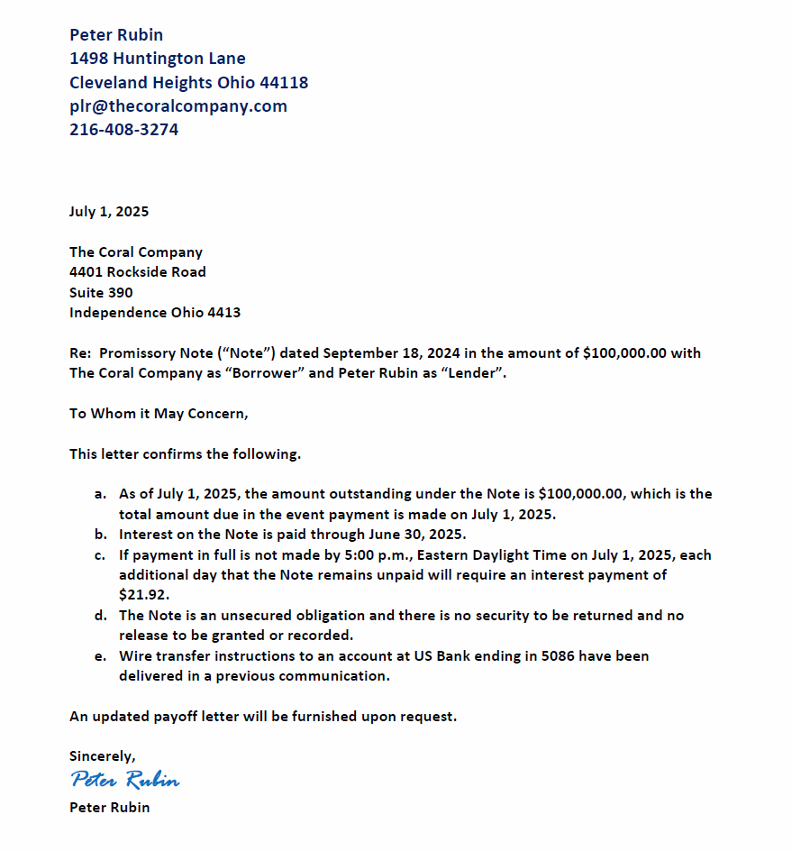
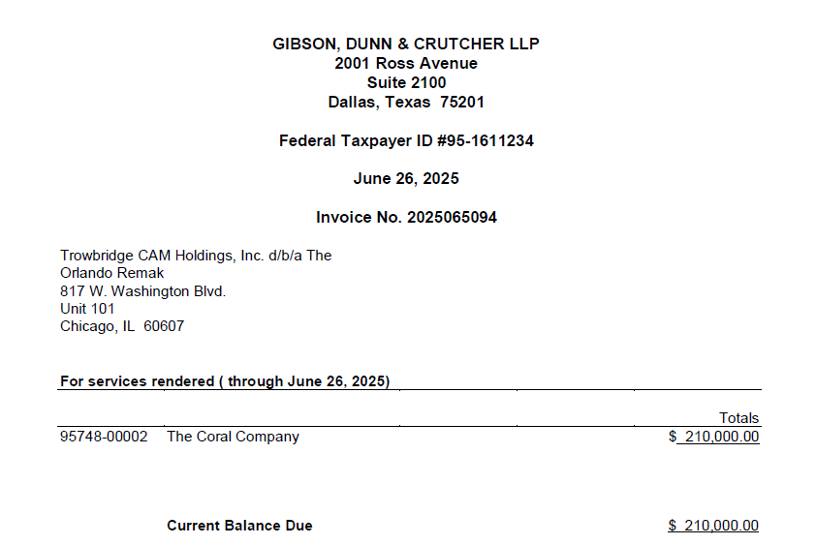
Coral

Sources & Uses

Sources |  | Uses

Seller Note Amount | $575,000.00 | Total Aggregate Purchase Price |  |  |  | $3,850,000.00
 |  | Plus: Cash Amount |  |  |  | –
Senior Secured Term Loan | – | Minus: Debt Amount |  |  |  | ($447,203.50)
Southfield Mezzanine Capital II LP | – | Total |  |  |  | $3,402,796.50
Entities representing Gladstone Capital Corporation | – | Minus: Transaction Expenses Amount |  |  |  | ($1,323,350.81)
 |  | Minus: Seller Note Amount |  |  |  | ($575,000.00)
Equity Contribution from Trowbridge CAM Holdings, Inc. | $3,654,750.00 | Minus: Tax Lien Holdback |  |  |  | –
LLM Acquisition, Inc. | $3,654,750.00 | Minus: Reconciliation Holdback Amount |  |  |  | ($201,897.00)
Ellery Partners, LLC | – | Closing Cash Payment to Seller |  |  |  | $1,302,548.69

Coral Balance Sheet Cash | – | Buyer Fees & Expenses |  |  |  | $379,750.00
 |  | Accounting Diligence - Moss Adams |  |  |  | $73,500.00
 |  | Buyer's Acquisition Counsel - Gibson Dunn |  |  |  | $210,000.00
 |  | Consulting Fee - Ellery Partners |  |  |  | $96,250.00
TCC Balance Sheet Cash | –

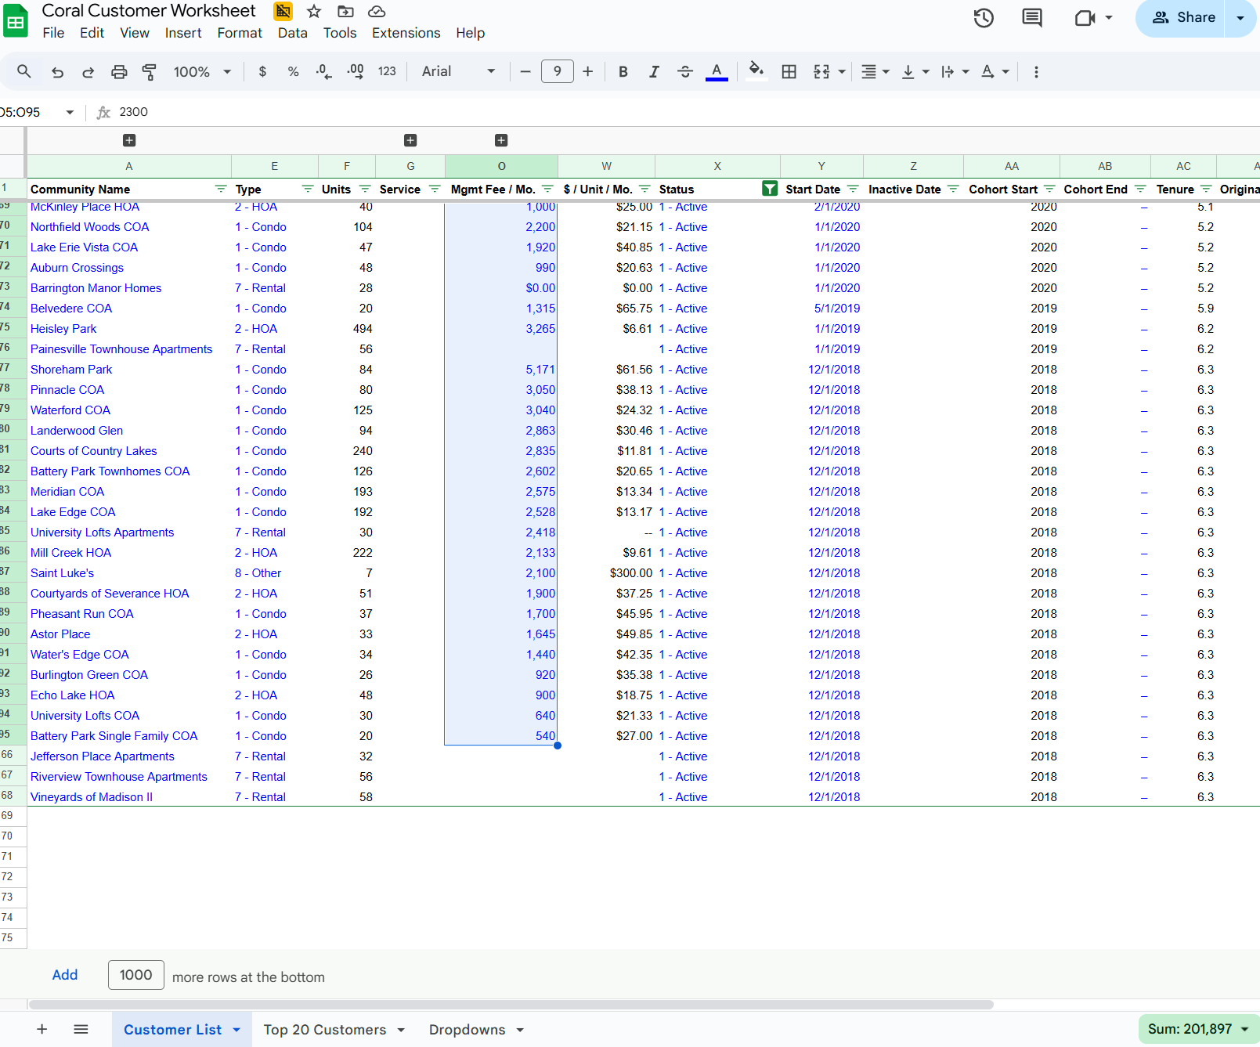
 |  | Coral Debt Payoff |  |  |  | $447,203.50

 |  | Cash to TCC Balance Sheet |  |  |  | –

Total | $4,229,750.00 | Total |  |  |  | $4,229,750.00

 |  | Net Proceed Allocation
 |  |  |  | Allocation | Net Proceeds
 |  | Sanford A. Fox |  | 16.66% | $433,835.69
 |  | Robert Hurwitz |  | 16.66% | $433,835.69
 |  | Alan H. Markowitz |  | 16.66% | $433,835.69
 |  | Peter Rubin |  | 50.02% | $1,302,548.69
 |  | Total |  | 100.00% | $2,604,055.75

 |  | Reconciliation Holdback Amount
 |  |  |  | Amount
 |  | Tax Liens |  | –
 |  | One Month Mgmt. Fees |  | 201,897.00
 |  | Total |  | $201,897.00

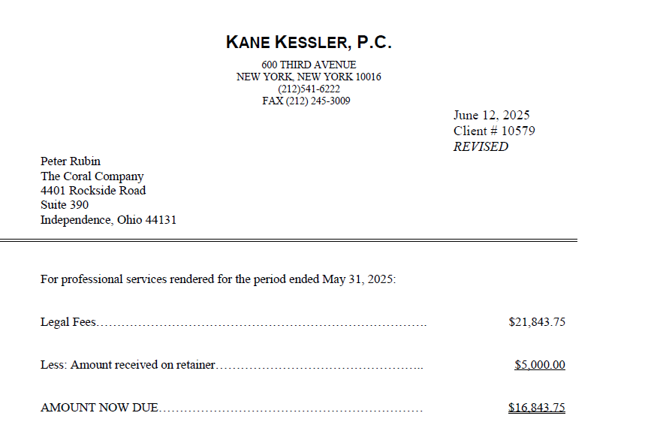
 |  | Debt Payoff Amount
 |  |  |  | Amount
 |  | Alliance Bank |  | $346,735.49
 |  | Alliance Interest |  | 336.49 | Assumes 7/3 payoff
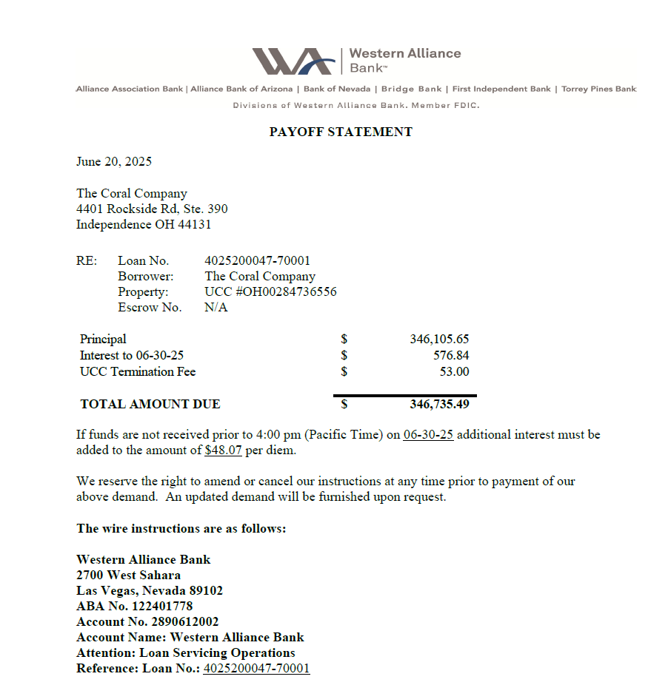
 |  | Peter Rubin |  | 100,000.00 | Assumes 7/3 payoff
 |  | Peter's Interest |  | 131.52
 |  | Total |  | $447,203.50

 |  | Transaction Expenses Amount
 |  |  |  | Amount
 |  | Kane Kessler |  | $16,843.75
 |  | Retainer Paid To Peter Rubin |  | 5,000.00
 |  | Transaction Expenses Amount |  | $21,843.75
 |  | Sanford A. Fox |  | $433,835.69
 |  | Robert Hurwitz |  | $433,835.69
 |  | Alan H. Markowitz |  | $433,835.69
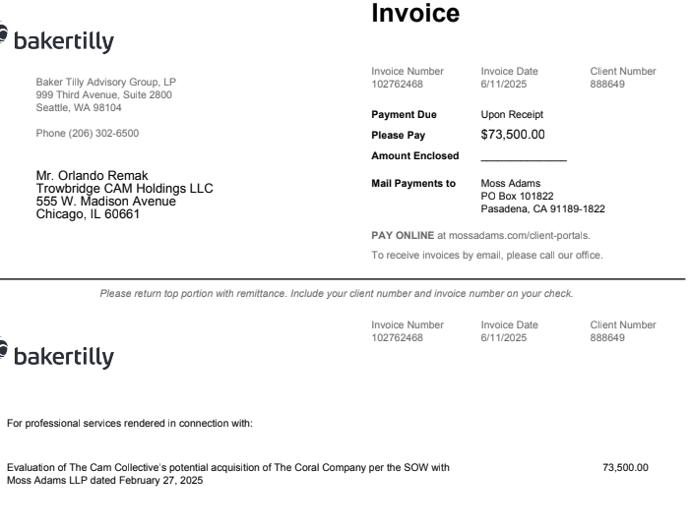
 |  | Total Transaction Expenses |  | $1,323,350.81

 |  | Ellery Fee
 |  | <=$10M | 2.50% | 96,250 | $3,850,000
 |  | >$10M | 1.25% | –
 |  | Total Ellery Fees |  | $96,250

Wire Info
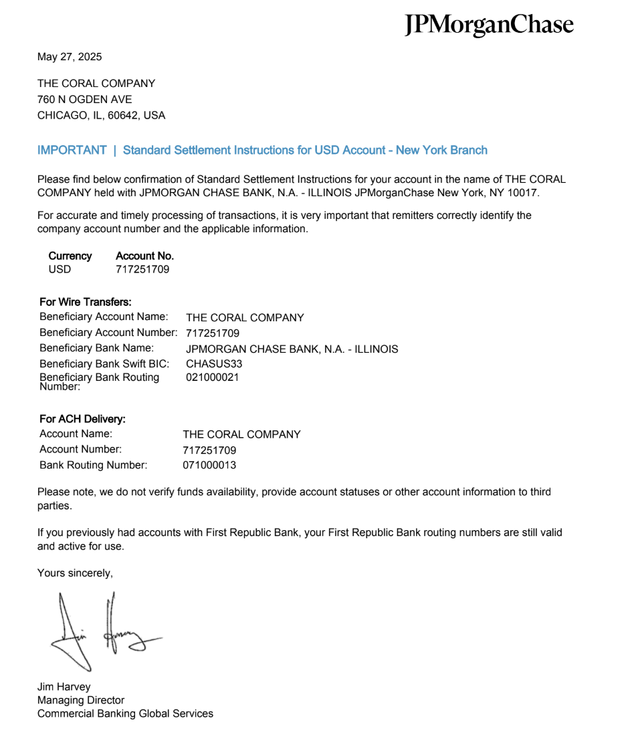
Wire Info

Name | Entity | Wire Information | Wire Amount | Confirm Date
Gibson Dunn | Gibson, Dunn & Crutcher LLP | Bank Name: Wells Fargo Bank Account Name: Gibson, Dunn & Crutcher LLP Bank Address: 333 South Grand Avenue, Los Angeles, CA 90071‐1515 Account Number: 4600‐146039 ABA: 121000248 Invoice No: 2025061461 | $210,000.00 | 2025-06-25 | Call 213-229-7333
Moss Adams | Baker Tilly Advisory Group, LP | Bank: JPMorgan Chase Bank NA Address: 270 Park Avenue, New York, NY 10017 Routing #: 021000021 Account #: 791533875 Beneficiary Name: Moss Adams LLP Beneficiary Address: 999 Third Avenue, Suite 2800, Seattle, WA 98104 | $73,500.00 | 2025-06-25 | Grace Luppi at (949) 680-8434 | 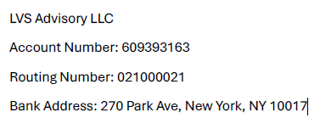
Ellery Partners | Ellery Partners LLC | Bank: JP Morgan Chase Account #: 80010474916 Routing (Wire) #: 021000021 Routing (ACH) #: 021000021 | $96,250.00 | 2025-06-25
Peter Rubin | Peter Rubin | Bank Name: US Bank Bank Address: 19825 Detroit Road, Rocky River, Ohio, 44116 Routing Number: 042000013 Account: 130118425086 Account Name: Peter Rubin | $1,407,680.21 | 2025-06-25
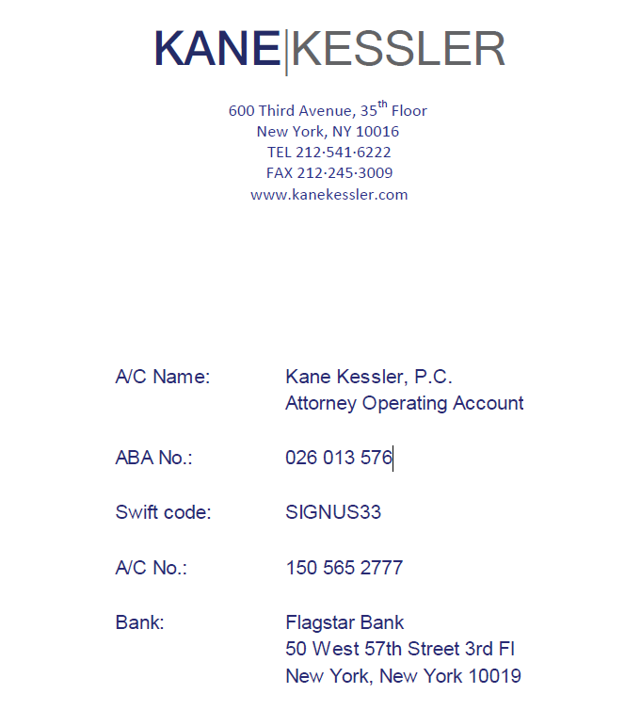
Sanford A. Fox | Sanford A. Fox | Bank: Key Bank Bank Address: 30100 Chagrin Blvd, Pepper Pike, OH, 44124 Account Number: 355732010986 Routing: 041001039 Account Name: Sanford Fox | $433,835.69 | 2025-06-30
Robert Hurwitz | Robert Hurwitz | Bank: The Northern Trust Company Bank Address: 50 South La Salle Street, Chicago, IL, 60603 ABA: #071000152 Account: 35114149 BNF: The Glenmede Trust Company, N.A. For Further Credit Account Name: Robert Hurwitz IA Trust U/D 6/8/87 For Further Credit Glenmede Account Number: 4139-01-4/7 | $433,835.69 | 2025-06-30
Alan H. Markowitz | Alan H. Markowitz | Bank: Bank of America Bank Address: 100 West 33rd Street, New York, NY, 10001 Account Name: Merrill Lynch Account Number: 6550113516 ABA: 026009593 For Further Credit: 6HJ-24407, DR ALAN H MARKOWITZ AND CATHY POLLARD | $433,835.69 | 2025-06-30
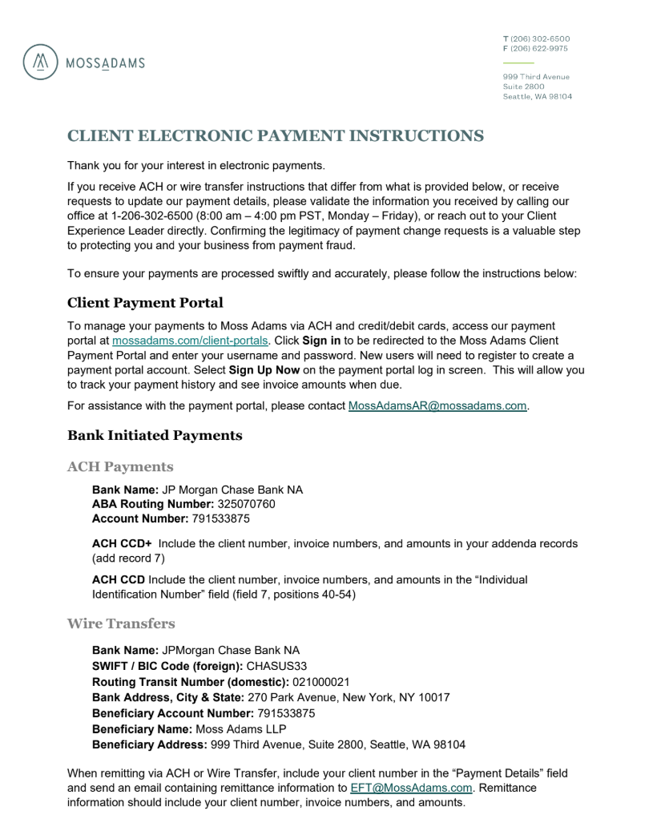
Kane Kessler (Coral Counsel) | Kane Kessler, P.C. | Bank: Flagstar Bank Bank Address: 1400 Broadway 24th floor, New York, NY, 10018 Account / Beneficiary Name: Kane Kessler, P.C. Account Number: 150 565 2777 ABA: 026 013 576 Swift: SIGNUS33 | $16,843.75 | 2025-06-25 | Call 212-541-6222
Alliance Bank | Western Alliance Bank | Bank: Western Alliance Bank Account / Beneficiary Name: Western Alliance Bank Bank Address: 2700 West Sahara, Las Vegas, Nevada 89102 Account Number: 2890612002 ABA: 122401778 Loan Number: 4025200047-70001 | $347,071.98 | 2025-06-25 | Call Maureen Smith 702-252-6144
New Coral Entity | Trowbridge CAM Holdings, Inc. | Bank: JPMORGAN CHASE BANK, N.A. - ILLINOIS Account / Beneficiary Name: THE CORAL COMPANY Address: 817 Washington Blvd Unit 101, Chicago, IL 60607-2312 Account Number: 717251709 ABA / Routing Number: 021000021 Swift BIC: CHASUS33 | $201,897.00 | 2025-06-25 | Call Candace 317 767 8229

 |  | Total | $3,654,750
 |  | Check | $0

